Sheet1
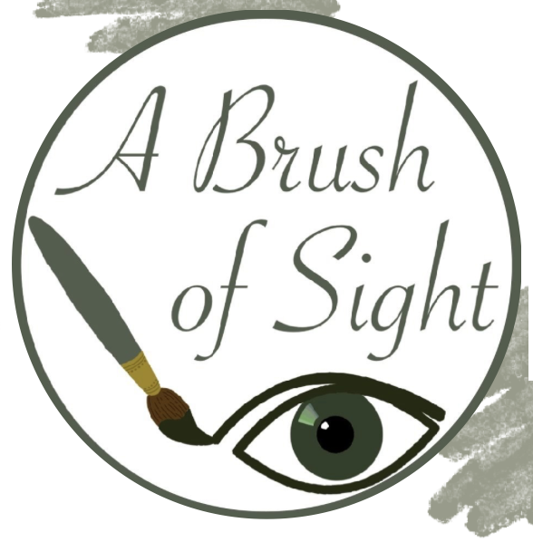
 |  |  | A Brush of Sight

 |  |  | 2024-2025 Painting Price List |  |  | List Date: 02/04/2025

 | ID | Name | Size | Material Cost | Hours of Effort
* | 1 | Birdhouse | M | $91.37 | 20
 | 2 | Sunflower Meadow | S | $51.95 | 9
 | 3 | Ocean Breeze | M | $82.25 | 15
* | 4 | Forest Whispers | S | $59.54 | 10
 | 5 | Autumn Glow | S | $49.71 | 8
* | 6 | Winter Solstice | S | $51.27 | 8
 | 7 | Spring Awakening | S | $45.96 | 15
* | 8 | Desert Bloom | S | $45.53 | 9
 | 9 | Lily Pond | S | $59.12 | 12
 | 10 | Cherry Blossom | M | $65.51 | 20
Random Merged Line!
 | 11 | Mountain Mist | L | $107.91 | 30
* | 12 | Golden Horizon | S | $58.02 | 12
 | 13 | Hidden Pathway | L | $116.95 | 39
 | 14 | Morning Dew | S | $46.85 | 13
* | 15 | Dancing Flames | M | $92.78 | 23
 | 16 | Serene Reflection | M | $94.73 | 21
 | 17 | Echoes of Nature | L | $126.31 | 33

